cogen and WHR + eqpt stds
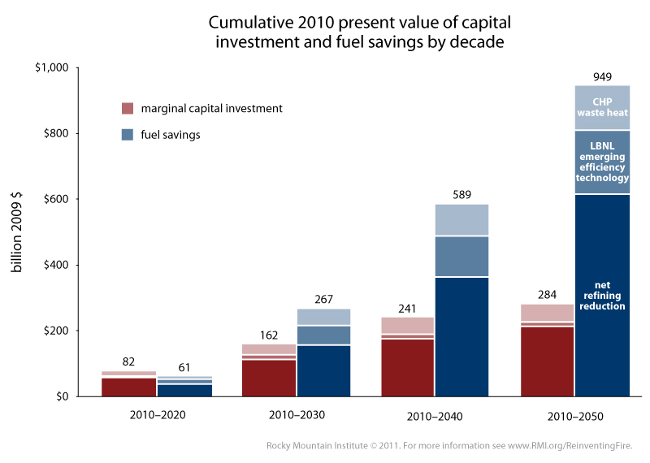
Cogeneration and Waste Heat Recovery, Equipment Efficiency Standards

Annual energy savings achievable in 2050 (BTU)
CHP & waste heat | 2.4E+15
efficiency technology | 2.3E+15

Total investment cost to achieve those annual savings in 2050
The graph used appears below. To correspond to the total energy savings found above, we want to use the set of pink bars that
correspond to investment over the 2010-2050 period. We assume the key inside the rightmost blue bar applies to all bars, so
light pink corresponds to CHP Waste Heat and midtone pink corresponds to efficiency technology.
Since RMI only provides a numerical value for the hight of the complete pink bar, not values for each of the three shades of
pink that compose it, we muse use pixel-based measurement to obtain our data from the graph.

Note on pixel measurement of this bar graph:
RMI's graph was made in Excel. For this type of graph (namely, white lines separating stacked bars),
Excel replaces an equal number of rows of colored pixels
with white pixels from the upper and lower bar segments at each junction, with an extra row of the bottom bar at each junction replaced if there
are an odd number of lines of white pixel rows to be applied (which is based on zoom level and graph settings). The top of the uppermost bar
segment is covered with the same number of rows of white pixels as the top of any other bar segment (half of a gap, rounding up).
Therefore, to correctly measure any bar segment except the bottom one, you can measure the colored part plus one complete white gap
between bar segments. To correctly measure the bottom bar segment, include only half of one white gap, rounding up.

Cumulative Cost of Upgrades (2009 $)
 | 2010-2050, total (pixels) | 2010-2050, this policy (pixels) | Investment, total (2009 $) | Investment, this policy (2009 $)
CHP & waste heat | 114 | 22 | 2.840E+11 | 5.481E+10
efficiency technology | 114 | 5 | 2.840E+11 | 1.246E+10

Cost per Unit Energy Saved Annually ($/BTU) |  | California adjusted value
CHP & waste heat | 2.284E-05 | 2.558E-05
efficiency technology | 5.416E-06 | 6.068E-06

Method
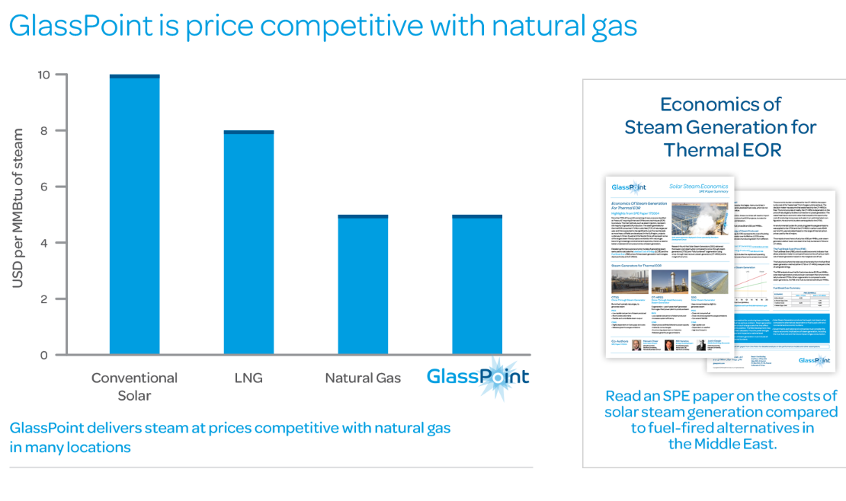
Policy potential

The potential for this policy is taken from the ICF report, which models a 30 percent
substitution in its Accelerated Sceanio.

Finance model

The approach used in the Lazard levelized cost analysis (pictured at the "Finance Model" tab) is used.

60 percent debt. Reflecting higher risk for a new technology, a 10% rate of interest is used instead of the 8% rate used in Lazard.

40 percent equity. Reflecting higher risk for a new technology, a 15% rate of return for equity investors is assumed compared to the 12% rate used in Lazard.

12 year project. | 12

Production and earnings

This reflects the policy potential (ie. 492 million MMBtu) and the efficiency of steam production
from natural gas using Department of Energy estimate of 81.7% conversion efficiency.

Capital costs are taken from the ICF report ("Exhibit 3" of the report).

Operating costs are not included in the ICF modeling. These are assumed to be 1%
based on personal communication with people in the industry (Seven Geiger, Solar Lite, June 2019).

Sales price assumed to equal what is being replaced, natural gas, using the carbon price
reflected in the "planned scenario" reaching $28.3 dollar per metric ton in 2030 ($2017 dollars).

Taxes
The tab "adjust state corporate tax" shows efforts to account for higher state tax rates in California.

Based on the IRS excerpt shown, it seems that depreciation over a 15 year time period would be possible,
and this is the schedule used.
https://www.irs.gov/pub/irs-pdf/p946.pdf

Cost to administer policy
The line item for the Stationary Source Program in the Air Resource Board is used as an input to estimating program implementation cost.

Price of natural gas for thermal (i.e. steam) enhanced oil recovery
The tab "Price natural gas steam EOR" explains the basic rationale and approach.
The following tab carries out the average price calculation with support data and sources at tabs to the right.

Inputs

natural gas efficiency |  | 0.817
Dept of Energy, "Benchmark the Fuel Cost of Steam Generation"

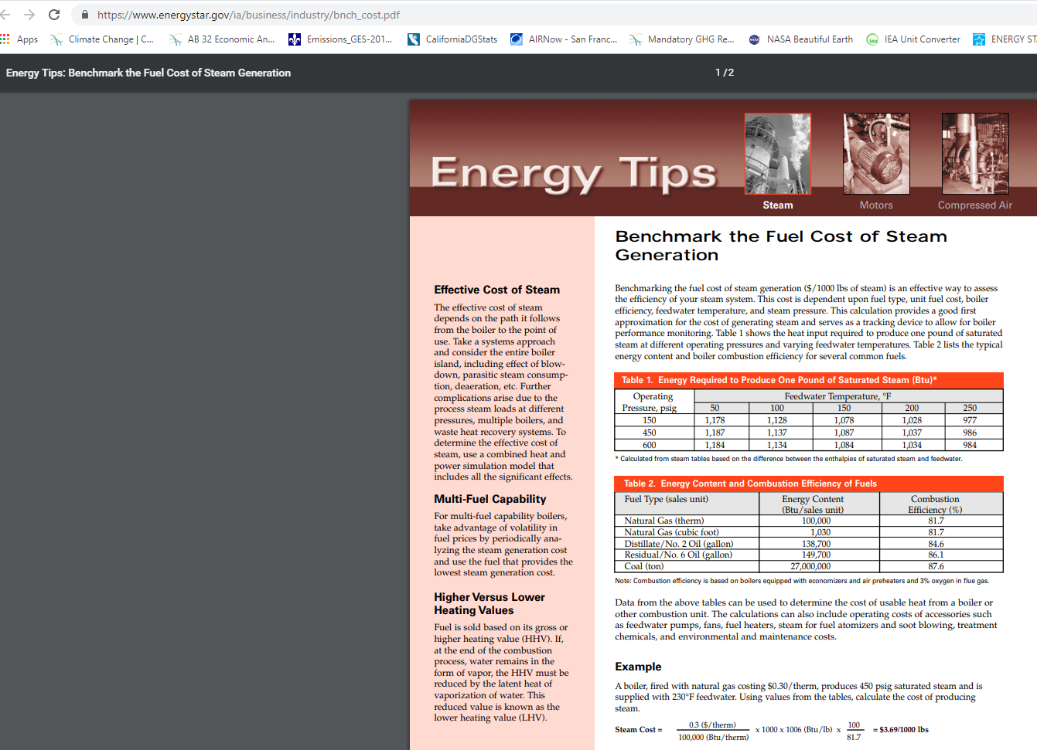
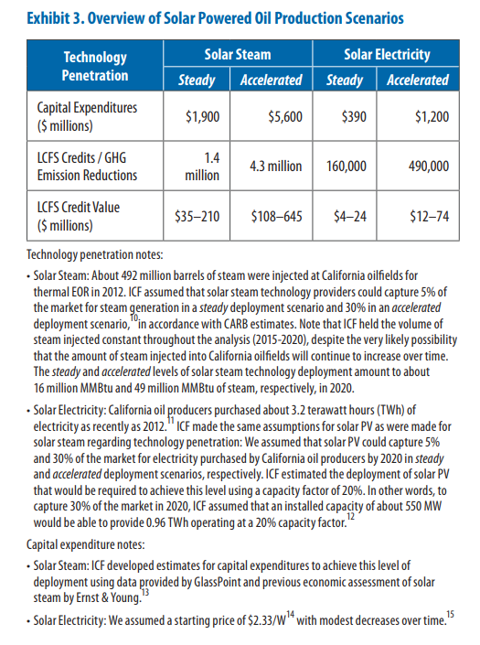

1
Kovscek says that under current oil field procedures, which call for heating 24 hours a day, solar steam could displace the one-third of natural gas burned during the day.
https://www.technologyreview.com/s/423112/where-solar-power-meets-the-oil-field/

2

ICF report 2015 explore impacts of a 30% substitution of solar steam for natural gas.
https://www.seia.org/sites/default/files/resources/Solar_Powered_Oil_Production_California_Economy_0.pdf

Prior work has found: The potential for carbon reductions from steam generation in enhanced oil recovery is assessed on the basis of natural gas consumption in steam flooding and cyclic steam injection for California onshore wells.
Based on data from the California Department of Conservation, between January 2011 and June 2012, average natural gas consumption for steam injection was 522,103 million BTU (MMBtu) per day.
Of this amount, steam for oil recovery that is not generated through cogeneration is assumed to be generated via once-through steam generators (OTSGs), estimated to be responsible for 58 percent of California steam generation, or 301,330 MMBtu per day.
https://www1.eere.energy.gov/manufacturing/resources/petroleum_refining/pdfs/cpi_profile.pdf

3
In speaking with CARB, they say their LCFS planning is only anticipating 1.5-2.25 MMT in annual emission reductions through 2030.
This seems to be primarily about uncertainty with regard to future price impacts of the LCFS and lack of a strong, reliable carbon price.
There are high upfront costs and so far utilities have not wanted to finance themselves. Financing for projects appears to be the main practical hurdle.

4
"One of California’s Biggest Solar Projects Will Be Located at an Oil Field"
Dec-17

The partnership, between Belridge field operator Aera Energy and solar thermal power company GlassPoint, will feature a 26.5-megawatt photovoltaic array and 850 megawatts-thermal of solar collectors for steam generation. It's slated to come on-line in 2020.
Aera, which is jointly owned by majors Shell and Exxon, produces almost a quarter of California’s oil and gas. GlassPoint currently has two running projects in Oman that are tied to oil extraction operations.

https://www.greentechmedia.com/articles/read/california-glasspoint-solar-enhanced-oil-recovery#gs.ZMm1nqY

When implemented, by 2021, 300-400,000 tons of carbon dioxide abated annually.

https://www.glasspoint.com/markets/california/

GlassPoint says "less than natural gas," thought their graph makes the two options look relatively equal.

From their marketing materials:
More than 60% of the cost of operating a heavy oil field in California is fuel purchase for thermal enhanced oil recovery. GlassPoint offers steam for less cost than steam made from natural gas, delivering significant savings

Lazard finance model
The framework below is used as a model, with adjustments noted on the "Method" tab

https://www.lazard.com/media/450773/lazards-levelized-cost-of-energy-version-120-vfinal.pdf

In order to reflect anticipated concerns about the "social license to operate" over the long run, a 15-year time horizon is used instead of the 20-year horizon below.

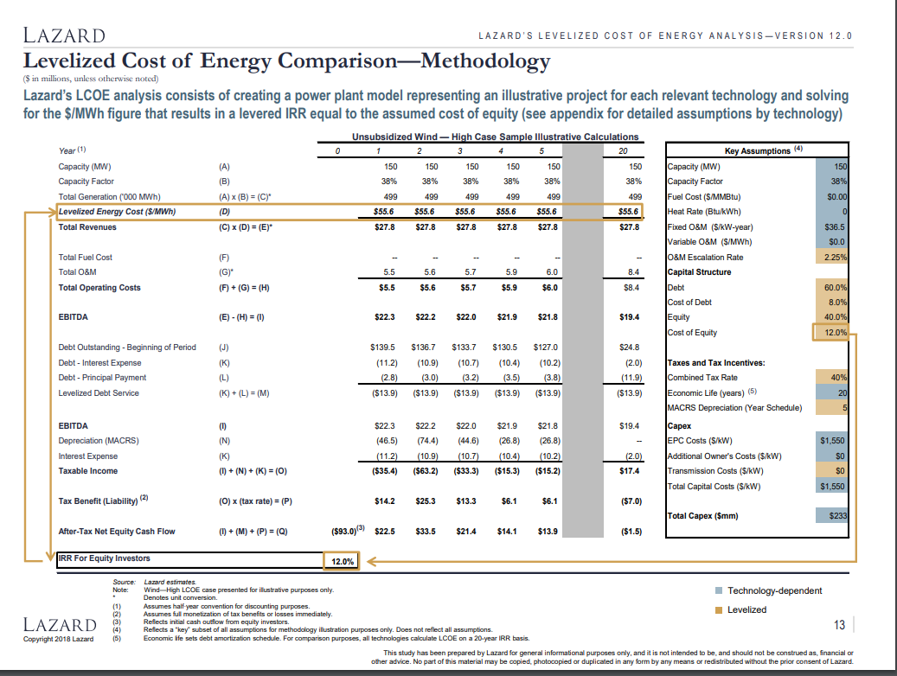

 | Combined tax rate | 0.4

Taxes
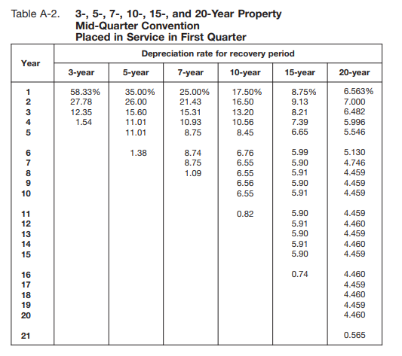
Sum of tax liability in positive years | -$5,379,850

 | 1 | 2 | 3 | 4 | 5 | 6 | 7 | 8 | 9 | 10 | 11 | 12 | 13 | 14 | 15 | 16 | 17 | 18 | 19 | 20
Earnings before interest, taxes, depreciation, and amortization | $292,942,385 | $303,059,385 | $306,682,197 | $310,633,243 | $315,728,096 | $319,132,953 | $330,134,128 | $339,731,139 | $349,317,638 | $358,689,231 | $367,577,210 | $376,823,101 | $383,893,955 | $393,985,984 | $409,835,238 | $429,414,822 | $442,089,237 | $455,112,078 | $468,493,353 | $482,243,364
Depreciation | $1,292,687,108 | $1,206,507,968 | $1,120,328,827 | $1,034,149,686 | $947,970,546 | $861,791,405 | $775,612,265 | $689,433,124 | $603,253,984 | $517,074,843 | $430,895,703 | $344,716,562 | $258,537,422 | $172,358,281 | $86,179,141 | $0 | $0 | $0 | $0 | $0
Interest payments | $336,000,000 | $320,287,526 | $303,003,805 | $283,991,711 | $263,078,409 | $240,073,776 | $214,768,679 | $186,933,074 | $156,313,907 | $122,632,824 | $85,583,632 | $44,829,522 | $0 | $0 | $0 | $0 | $0 | $0 | $0 | $0
Taxable income | -$1,335,744,723 | -$1,223,736,109 | -$1,116,650,435 | -$1,007,508,155 | -$895,320,859 | -$782,732,229 | -$660,246,816 | -$536,635,059 | -$410,250,253 | -$281,018,436 | -$148,902,125 | -$12,722,983 | $125,356,533 | $221,627,703 | $323,656,097 | $429,414,822 | $442,089,237 | $455,112,078 | $468,493,353 | $482,243,364
Net tax liability | -$564,812,977 | -$517,450,695 | -$472,170,053 | -$426,019,786 | -$378,581,949 | -$330,974,409 | -$279,182,065 | -$226,913,451 | -$173,472,268 | -$118,827,240 | -$62,962,519 | -$5,379,850 | $53,006,383 | $93,714,166 | $136,856,362 | $181,575,910 | $186,935,224 | $192,441,867 | $198,100,072 | $203,914,195
Annual tax liability greater than zero | $0 | $0 | $0 | $0 | $0 | $0 | $0 | $0 | $0 | $0 | $0 | -$5,379,850

Tax rate | 0.4
California adjustment | 2.2845
Adjusted for California | 0.422845

Cost as Basis
The basis of property you buy is its cost plus amounts you paid for items such as sales tax (see Exception below), freight charges, and installation and testing fees.
The cost includes the amount you pay in cash, debt obligations, other property, or services.

Sum of equity and debt payments | $10,341,496,865
Sum of equity and debt payments | $10,341,496,865
Years | 15
Salvage value | 0

 | 1 | 2 | 3 | 4 | 5 | 6 | 7 | 8 | 9 | 10 | 11 | 12 | 13 | 14 | 15 | 16 | 17 | 18 | 19 | 20
Depreciation | $1,292,687,108.11 | $1,206,507,967.57 | $1,120,328,827.02 | $1,034,149,686.48 | $947,970,545.94 | $861,791,405.40 | $775,612,264.86 | $689,433,124.32 | $603,253,983.78 | $517,074,843.24 | $430,895,702.70 | $344,716,562.16 | $258,537,421.62 | $172,358,281.08 | $86,179,140.54 | $0.00 | $0.00 | $0.00 | $0.00 | $0.00

https://www.irs.gov/pub/irs-pdf/p946.pdf

 |  |  |  |  |  | Cost as Basis The basis of property you buy is its cost plus amounts you paid for items such as sales tax (see Exception below), freight charges, and installation and testing fees. The cost includes the amount you pay in cash, debt obligations, other property, or services.

8.84 | California corporate tax rate
 | https://www.taxpolicycenter.org/statistics/state-corporate-income-tax-rates

SoCal Gas
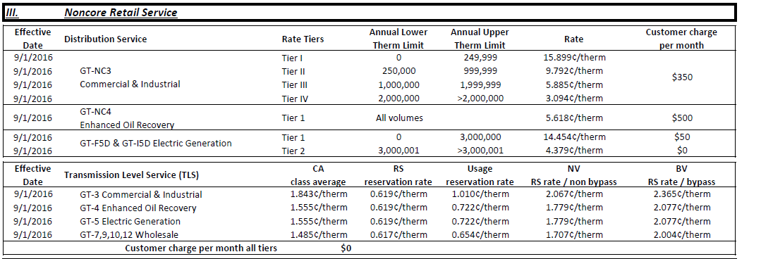
Rate summary below

https://www.socalgas.com/sites/default/files/1443740512263/Rate_Summary.pdf

Retail comparison to the high volume electric generation price

Retail
EOR | 5.618 | $/therm
Elec Gen | 4.379 | $/therm
Ratio of EOR over Elec Gen |  |  | Distribution (Tier 5) - Transmission - Ratio of EOR over Power | 1.2829413108

(doesn't account for customer fixed charge per month)

Backbone / Transmission

For SoCal gas, we do not observe a way to directly interpret background rates, but we observe transmission rates are equal to electric power generation.

Therefore, in this case, we set the ratio to one, reflecting equal prices for EOR and electric power generation.

Backbone / Transmission | 1

Calculations and conversions
5.618 | $/therm
5.62E-06 | $/Btu
one therm equals |  | 100000 | Btu
2016 EIA
3.16 | $/thousand cf
0.00316 | $/cf
3.0501930502E-06 | $/Btu
conversion factor | 1 cubic foot = 1,036 Btu | https://www.eia.gov/energyexplained/units-and-calculators/british-thermal-units.php

PG&E calcs- backbone level
Year 2017 calculations
 | electric | non-core tier 5 volume | electric | non-core tier 5 volume
BACKBONE LEVEL
 | $/therm | $/therm | $/Btu | $/Btu

City gate price |  |  | 3.3301158301E-06 | 3.3301158301E-06
Transportation charge | 0.00825 | 0.00922 | 8.25E-08 | 9.22E-08
cap-and-trade credit | not applicable this year
Franchise fee |  | 0.0028916666667 |  | 2.8916666667E-08 | one therm equals | 100000 | Btu
Sum |  |  | 3.4126158301E-06 | 3.4512324968E-06

 |  |  | backbone ratio | 1.0113158552

City gate price | 3.45 | $ / thousand cubic feet
 | 0.00345 | $ / cf
City gate in $/Btu | 3.3301158301E-06 | $/Btu

conversion factor | 1 cubic foot = 1,036 Btu | https://www.eia.gov/energyexplained/units-and-calculators/british-thermal-units.php

Rate sheet excerpt

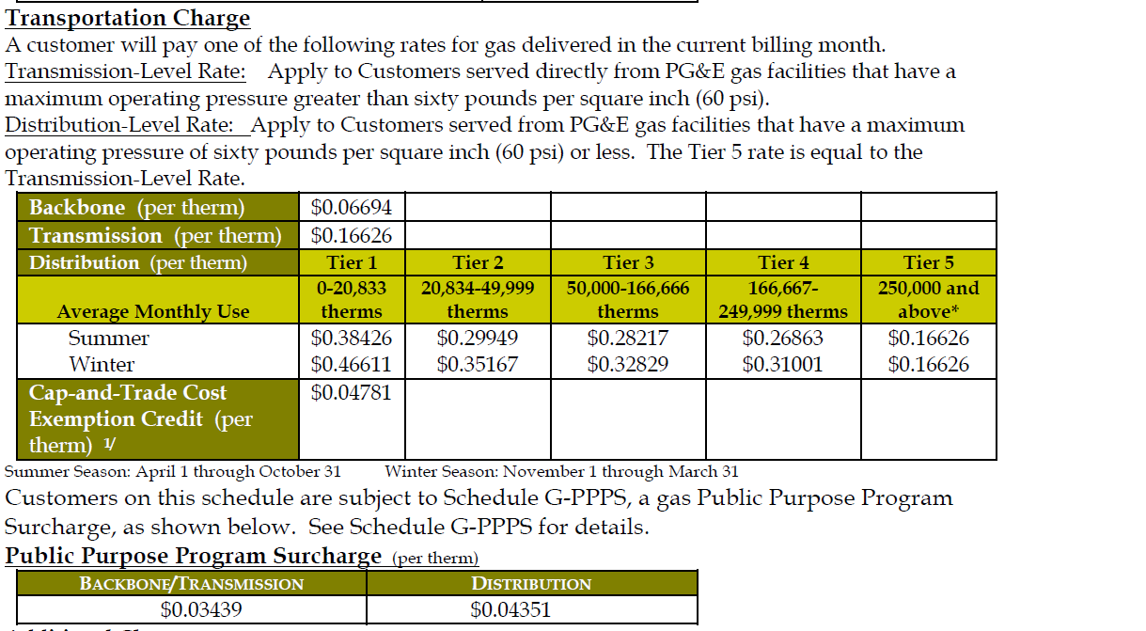

no PPP surcharge listed on electric gen sheet. We understand they are not subject to one.
This shows EOR exempt from PPS
https://www.pge.com/tariffs/GRF1019.pdf

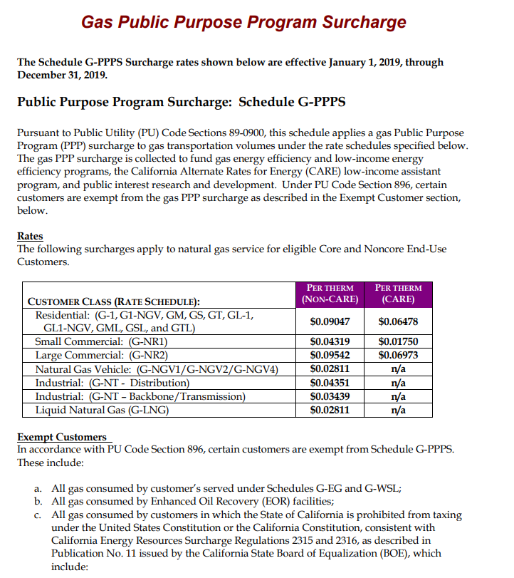

Customers may pay a franchise fee surcharge for gas volumes transported by PG&E (See Schedule GSUR for details.)

Another source for PG&E rates
https://www.pge.com/tariffs/GRF.SHTML
https://www.pge.com/tariffs/GRF1217.pdf

